Wheels
 |  |  | S = Standard Equipment A = Available -- (dashes) = Not Available D = ADI Available ■ = Included in Equipment Group □ = Included in Equipment Group but upgradeable * = Indicates availability of feature on multiple models.
 |  |  | 1: Equipment group available on 1MB48. 2: Equipment group available on 1MM48.
Orderable RPO Code | Ref. Only RPO Code | Wheels | Description | LT 2LT1 | RS 2RS2
 | REH | 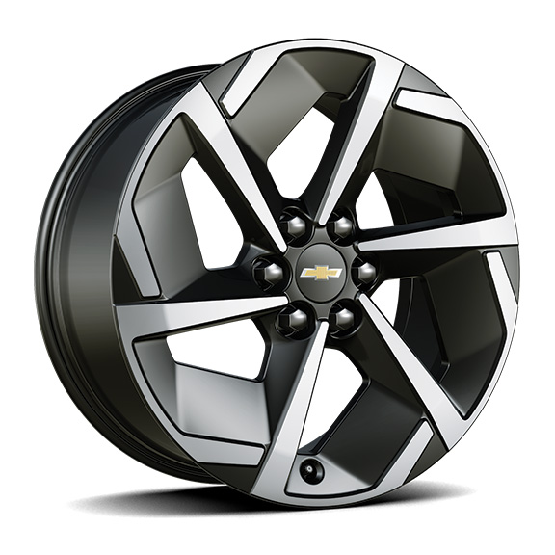 | Wheels, 19" (48.3cm) | S | --
 | RVV | 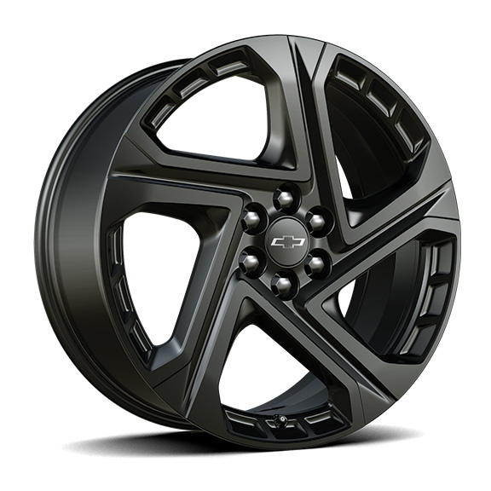 | Wheels, 21" (53.3 cm) Black painted aluminum | -- | S
 | RW4 | 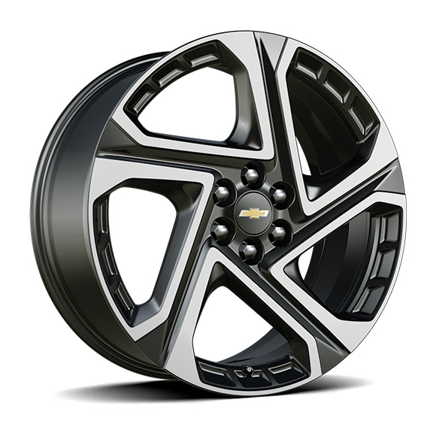 | Wheels, 21" (53.3 cm) machined aluminum 1. Included and only available with (6K5) Convenience Package II. | A1 | --
VSF |  | 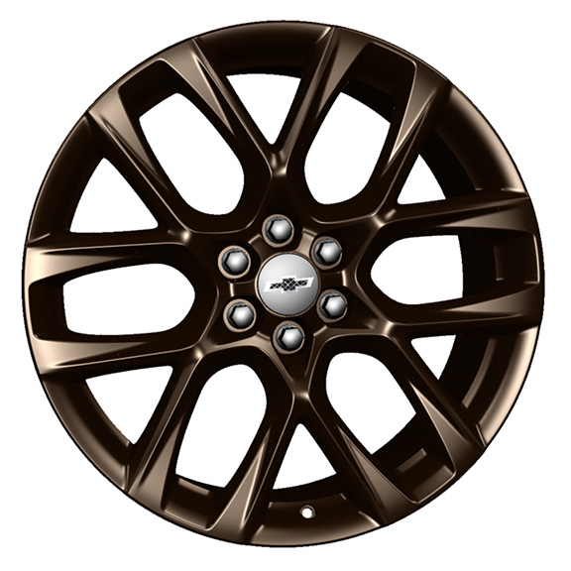 | LPO, 21" (53.3 cm) Tech Bronze wheels, includes (SKT) Black Wheel Centre Cap, LPO, (SD5) Tire pressure monitor, LPO, (SPY) Black lug nuts, LPO, (SPZ) Black lug nut and wheel lock kit, LPO and (QLT) 21" tire 1. Included with (PCJ) Tech Bronze Package, LPO. Not available with (6K5) Convenience Package II, (WBL) Midnight Package, (SFE) Bright wheel locks, LPO or (VSJ) Gloss Black wheels, LPO. Replaces (RW4) 21” Wheels when ordered. 2. Included with (PCJ) Tech Bronze Package, LPO. Not available with (SFE) Bright wheel locks, LPO or (VSJ) Gloss Black wheels, LPO. Replaces (RVV) 21” Wheels when ordered. | A1 | A2
VSJ |  | 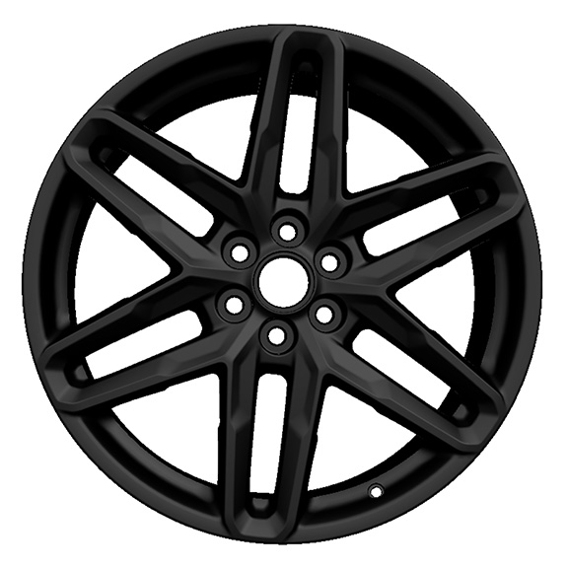 | LPO, 21" (53.3 cm) Gloss Black wheels, includes (SKT) Black Wheel Centre Cap, LPO, (SD5) Tire pressure monitor, LPO, (SPY) Black lug nuts, LPO, (SPZ) Black lug nut and wheel lock kit, LPO and (QLT) 21" tire 1. Included with (PCQ) Graphics package, LPO. Not available with (6K5) Convenience Package II, (WBL) Midnight Package, (SFE) Bright wheel locks, LPO or (VSF) Tech Bronze wheels, LPO. Replaces (RW4) 21” Wheels when ordered. 2. Included with (PCQ) Graphics package, LPO. Not available with (SFE) Bright wheel locks, LPO or (VSF) Tech Bronze wheels, LPO. Replaces (RVV) 21” Wheels when ordered. | A1 | A2
 | Q84 | 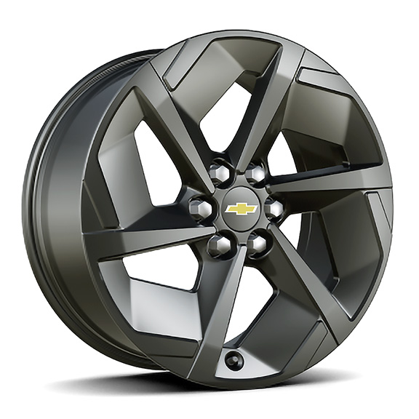 | Wheels, 19" (48.3 cm) Black painted aluminum 1. Included and only available with (WBL) Midnight package. | A1 | --

